Bug and improvement report
Project Name: Dmoney |  |  | Environment: Laptop
Tester's Name: Ishat Salsabil Silvia |  |  | Reviewed By
Date Tested: Ishat Salsabil Silvia |  |  | Version
Issue Id | Module | Issue Title | Description | Steps to Reproduce | Issue Type | Priority | Severity | Actual Result | Expected Result | Attachment
1 | Create customer/ agent/merchant/ new admin | Invalid name accepted | Invalid name accepted which contains special characters, numbers during creating user account. | 1. Admin login, 2. Enter the Dmoney homepage, 3. Click on Create User on the left, 4. Input invalid name (Name: #.45f) | Bug | High | Major | An invalid user Account will be created | Name should be in a valid format which can contain only string values and only "." for special character and can not contain number | 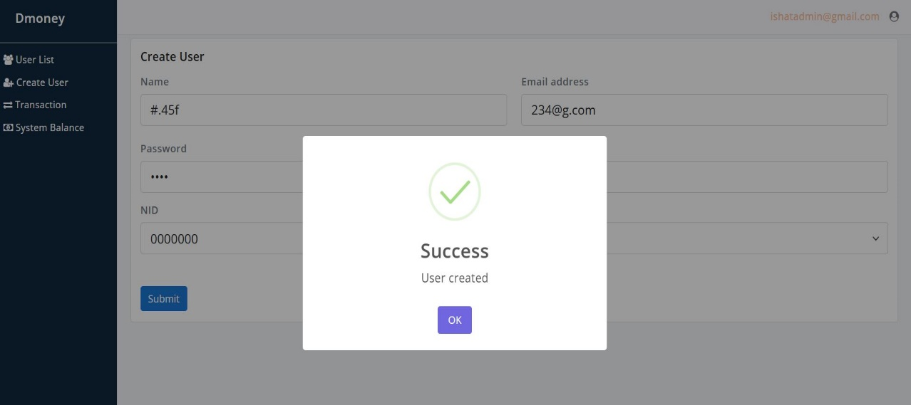
2 | Create customer/ agent/merchant/ new admin | Invalid email accepted | Invalid email accepted which contains special characters, numbers, no string value with invalid domain. | 1. Admin login, 2. Enter the Dmoney homepage, 3. Click on Create User on the left, 4. input invalid email (Email: 234@g.c) | Bug | High | Major | An invalid user Account will be created | Email must contain string values and after "@" the warning shows only to put ".", after inserting "g.c" no error message showed. | 
3 | Create customer/ agent/merchant/ new admin | Invalid phone number accepted | Invalid phone number accepted which contains string values. | 1. Admin login, 2. Enter the Dmoney homepage, 3. Click on Create User on the left, 4. input invalid phone number (Phone: 0000abcdefg) | Bug | High | Major | An invalid user Account will be created | The user phone number should be valid and might contain the country code (ex: for Bangladesh +880), for Bangladeshi users, the phone number must start with 0, and the rest of the values should be number only and the phone number must be checked if the number is valid, or not. | 
4 | Create customer/ agent/merchant/ new admin | Invalid NID number accepted | Invalid NID number accepted | 1. Admin login, 2. Enter the Dmoney homepage, 3. Click on Create User on the left, 4. input invalid phone number (NID: 0000000) | Bug | High | Major | An invalid user Account will be created | The NID number must be unique and validated and can contain only number values of a certain length country-wise.
5 | Security issue (main admin) | Main admin account was hacked multiple times | Main admin account was deleted multiple times | 1. Main admin login (email: admin@roadtocareer.net, pass: 1234) | Bug | High | Major | System users will be affected while using the system. | Security of the main admin account must be high and protected
6 | Security issue (main system user) | Main system user account was hacked multiple times and system balance was set to 0. | Main system user account was hacked multiple times and system balance was set to 0. | 1. Main system user login (email: system@roadtocareer.net, pass: 1234) | Bug | High | Critical | System users will be affected while using the system. | Security of the main system user account must be high and protected
7 | System user deposit to agent | System user can deposit money to merchant which isn't as per rules. | while depositing money to agent account from the main system user, the transaction was successful even if the agent account number was wrong and the account was of a merchant | 1. Main system user login (email: system@roadtocareer.net, password: 1234), 2. Click on the deposit button on the left, 3. Input invalid user role account (ex: merchant account: 10000000003) | Bug | Medium | Medium | System balance management will be affected if invalid transaction can occur | According to instructions system user can deposit money to agent only. | 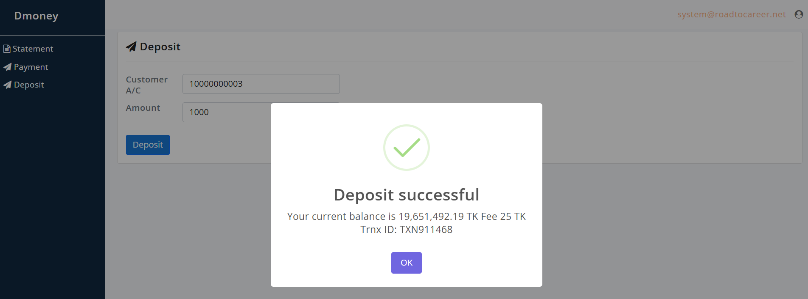
8 | Customer check limit | The customer limit is sometimes 0 while checking the limit. | The customer limit is 0 sometimes while checking the limit. | 1. Customer login, 2. Go to Dmoney homepage, 3. Click on the limit button on the left, 4. click on check limit, 5 limit shows 0 | Bug | low | minor | User satisfaction will be affected | Users should be able to check limit
9 | System performance | The system takes too long sometimes to load informations | While login, checking user list as admin, or doing other tasks take longer time than expected | 1. User login to system | Improvement | Medium | high | User satisfaction will be affected | Users should be able to use the system smoothly.
10 | Create customer/ agent/merchant/ new admin | No visible mandatory field is included in the form. | No visible mandatory field is included in the form. | 1. Log in as admin, 2. Click on the Create User button | Improvement | low | medium | User satisfaction will be affected | Admin should be able to view the mandatory fields while creating a new user
11 | Create customer/ agent/merchant/ new admin | specific fields like phone number, password, NID should contain length and other instructions in the form. | No visible length/ other necessary instructions are included in the form. | 1. Login as admin, 2. Click on Create User button | Improvement | low | medium | User satisfaction will be affected | Admin should be able to view the length and instructions while creating a new user
12 | System user invalid deposit to the customer | System user deposited money to customer which was succesful from system user side, but the transaction money wasn't added to customer balance | System user deposited money to customer which was succesful from system user side, but the transaction money wasn't added to customer balance | 1. Log in as a system user, 2. Click on the deposit button on the left, 3. Enter the customer account number and amount, 4. Click on deposit | Bug | medium | high | User satisfaction will be affected | If transaction is successful from system user side, then the customer account should receive the transaction amount and the balance should show the new balance with recent transaction.
13 | Missing forgot password button | Users can't login if they forget password | While login, no forgot password option available. | 1. Go to the Dmoney login page | Improvement | medium | high | User satisfaction will be affected | For financial traction website, in case of forgetting password, user will not be able to recover the account and wont be able to do any task.
14 | password visibility toggle unavailable | Users can see any option to view password while typing. | Users can see any option to view password while typing. | 1. Go to the Dmoney login page | Improvement | low | minor | User satisfaction will be affected | Users should have an option to view password while typing

